CobrandCardUpdate_Analysis
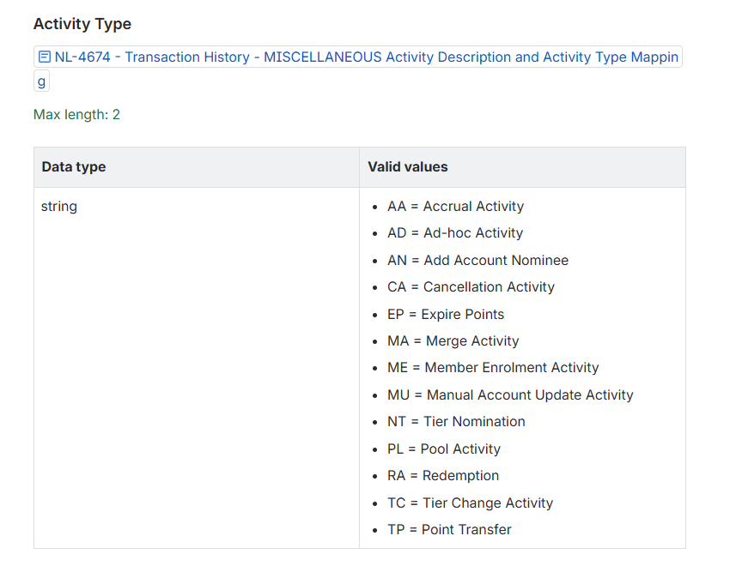
Cobrand Card Update
ODH table (LoyaltyCobrandedCard) | Event field | Comments
LoyaltyProfileMembershipIdentifier | membershipNumber
LoyaltyProfileProgramCarrierCode | AC | Do we need this?
AccountId | uniqueAccountID
LoyaltyCobrandedCardTypeCode | cardType
LoyaltyCobrandedCardHolderTypeCode | cardHolderType
CreatedAt | cardStartDate
UpdatedAt | updateTime
IsLinked | action | There are three statuses - L/U/C Shall we store the actionCode as it is and have another derived column for link/delink | Need more details on Changed action. What triggers this value?
Action | action
ProcessedAt | processedDate
LoyaltyActivityNumber | activityNumber
LoyaltyActivityCreatedAt | activityDate
RecordCreatedAt | Datetime.Now
RecordModifiedAt | Datetime.Now
RecordExpiredAt | Null if action is L or C Datetime.Now + 1 year if action = U
RecordVersion | version (Timestamp needs to be converted to number (epoch time))
 | hierarchy | Going in Customer profile? Could lead to locking condition | Not ingested as part of this event, its ingested as part of TIER_STATUS_UPDATES event into LoyaltyProfile and LoyaltyMember in CustomerDataStore. The column utilized in both tables are LoyaltyHierarchyCode.
 | rpg | Not ingesting | Not ingested as part of this event, its ingested as part of TIER_STATUS_UPDATES event into LoyaltyProfile and LoyaltyMember in CustomerDataStore. The column utilized in both tables are RedemptionPricingGroup.
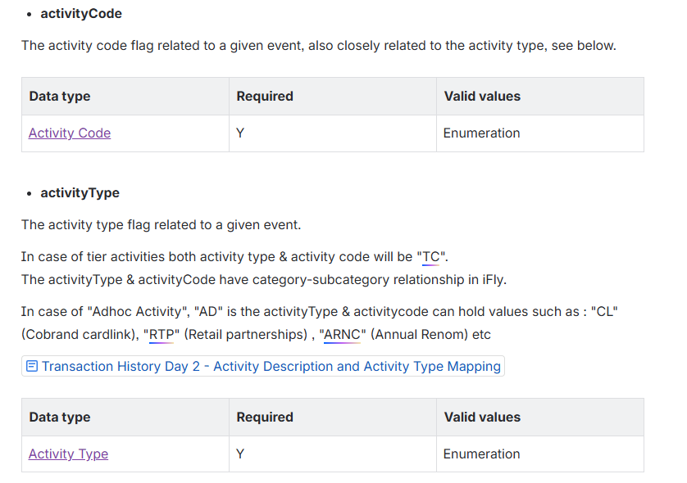
 | activityType | Not ingesting | Seems a bit like transactional information, like it describes the event (metadata) more so than the actual content. May not be that relevant, unless we want to store this in our transaction tables.

RetroClaimUpdates_Analysis
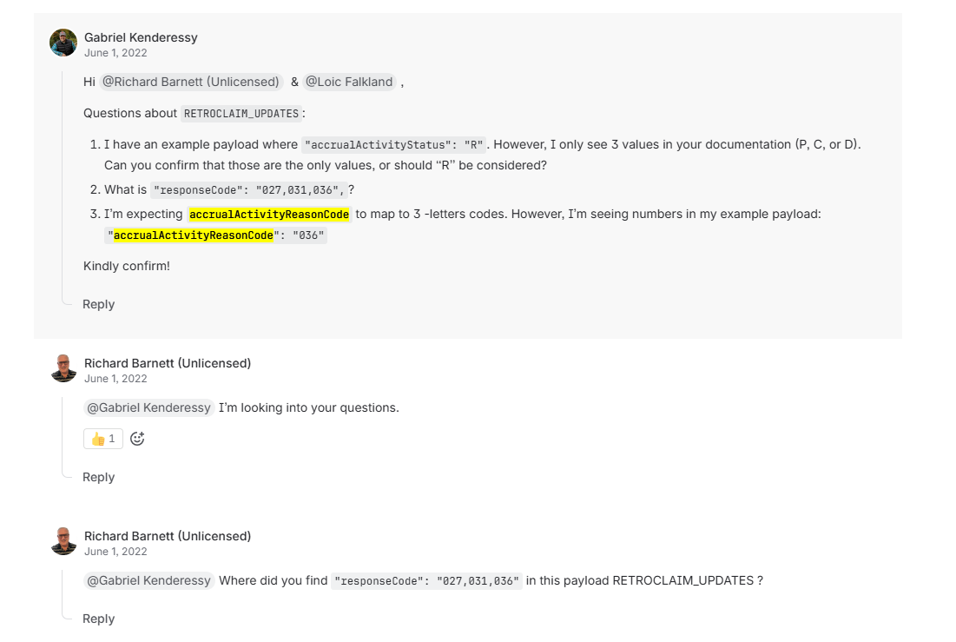
Event | ODH Tables | Info | Data Validations | Somya Comments | Keshav Comments
source | Transaction.SourceCreatedBy
eventType | Transaction.TransactionTypeCode
eventId | Transaction.SourceTransactionId |  |  | Should be used for tracking purposes
timestamp | Transaction.SourceCreatedAt |  |  | Event Date time
membershipNumber | LoyaltyClaimFlightLeg.LoyaltyProfileMembershipIdentifier |  | Required AlphaNumeric 50 char (do we need to add this validation)
activityDate | LoyaltyClaimFlightLeg.FlightLegScheduledDepartureDate |  | Required Format - DD-MMM-YYYY
claimDate | LoyaltyClaimFlightLeg.LoyaltyClaimCreatedAt |  | Required Format - DD-MMM-YYYY
referenceNumber | LoyaltyClaimFlightLeg.LoyaltyClaimReferenceNumber |  | Required AlphaNumeric
confirmDate | LoyaltyClaimFlightLeg.ConfirmedAt |  | Required Format - DD-MMM-YYYY
activityStatus | LoyaltyClaimFlightLeg.LoyaltyClaimStatusCode |  | Requried Single Char
operatingCarrierCode | LoyaltyClaimFlightLeg.FlightLegOperatingCarrierCode |  | We should only ingest if this value is AC. Else ignore the event. Keshav pl confirm |  | I don’t think we should forcibly check only for AC, if in the future there are other carriers coming through the event, then we would lose all that data.
operatingFlightNumber | LoyaltyClaimFlightLeg.FlightLegOperatingNumber |  | Required AlphaNumeric 5 char (do we need to add this validation) |  | If we are adding these validations then we can add it in a way that its less than 5 characters, but not exactly 5 characters.
origin | LoyaltyClaimFlightLeg.FlightLegDepartureAirportCode |  | Required AlphaNumeric 5 char (do we need to add this validation)
destination | LoyaltyClaimFlightLeg.FlightLegArrivalAirportCode |  | Required AlphaNumeric 5 char (do we need to add this validation)
ticketedFirstName | LoyaltyClaimFlightLeg.BookingDocumentFirstName |  | Required AlphaNumeric
ticketedLastName | LoyaltyClaimFlightLeg.BookingDocumentLastName |  | Required AlphaNumeric
ticketNumber | LoyaltyClaimFlightLeg.BookingTicketNumber |  | Required AlphaNumeric
correlationId | LoyaltyClaimFlightLeg.LoyaltyClaimCorrelationId | ASSUMPTION (1): Internal Unique ID for Claim ASSUMPTION (2): This string is composed of the fields GUID 352780def99940948113040831a2ae98 ACMembership 101104974 Coded Description ACRRTOCLMREQ (Accrued Total Claim Request?) | Required | What is correlational ID Is it Claim ID in iFLY? - Somya
accrualActivityStatus | LoyaltyClaimFlightLeg.LoyaltyAccrualActivityStatusCode |  |  | Difference between AccrualActivityStatus and ActivityStatus
 | RecordCreatedAt = Datetime.Now
 | RecordModifiedAt = Datetime.Now |  |  | It would be nice to have associated PNR number
 | RecordExpiredAt - Datetime.Now + 1 yr | Its operational info |  | Keshav pl confirm
 | RecordVersion = version (Timestamp needs to be converted to number (epoch time))
responseCode | LoyaltyClaimFlightLeg.ResponseCode |  |  | Currently we are not storing this. This contains the reason code in case of rejecttion or claim acceptance | This should be ingested, not sure why it was missed, but I can see its ingested in the us-east job. It’s a necessary field. Im guessing it only comes if its rejected, so data validation wise it can be optional. There is a responseCode and a reasonCode, both are ingested in us-east and reasonCode is mapped to LoyaltyClaimRejectionReasonCode. So do we need this responseCode?
accrualActivtyReasonCode | LoyaltyClaimFlightLeg.LoyaltyClaimReasonCode
reasonCode | LoyaltyClaimFlightLeg.LoyaltyClaimRejectionReasonCode
 | Keshav lets discuss the details in transaction related tables

 | accrualActivityReasonCode? This is ingested in us-east in us-east only activityStatus is ingested accrualActivityStatus is ignored

